Sheet1
FOR EDUCATIONAL PURPOSE ONLY – DO NOT USE THIS METHOD FOR DETAIL DESIGN – ALWAYS CONSULT A REPUTABLE SUPPLIER FOR DETAIL DESIGN

 | Steam turbine – Steam mass flow requirement calculation tool

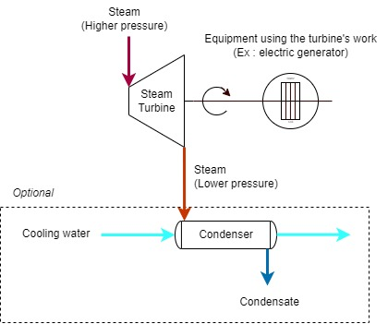
 |  | Steam inlet conditions
 |  | Pressure | P1 | 50 | bar abs
 |  | Temperature | T1 | 450 | c
 |  | Read on Mollier diagram the enthalpy and entropy at these conditions
 |  | Enthalpy | H1 | 3300 | kJ/kg
 |  | Entropy | S1 | 6.6 | kJ/kg.c
 |  | Assumption : ISENTROPIC transformation
 |  | Steam outlet conditions
 |  | Pressure | P2 | 10 | bar abs
 |  | Entropy | S2 | 6.6000 | kJ/kg.c
 |  | Read on Mollier diagram the enthalpy and temperature at these conditions
 |  | Temperature | T2 | 225 | c
 |  | Enthalpy | H2 | 2900 | kJ/kg
 |  | Steam requirement calculation
 |  | Enthalpy difference | H2-H1 | -400.0000 | kJ/kg
 |  |  |  | -171.9690 | BTU/lb
 |  | Efficiency | eta | 35.00%
 |  | Steam flow requirement | m | 56.6879 | lb/kWh

 | If you spot a mistake or wish to suggest an improvement, please contact : contact@myengineeringtools.com

 | Copyright www.MyEngineeringTools.com

 | The content of MyEngineeringTools.com is copyrighted but no warranty nor liability is ensured. The content of this site is to be seen as a help and important information and calculation must always be double checked by the user through the quality procedure of his organization or by checking another source. The user must always respect all applicable regulation. The use of the information is at the user and its organization own risk and own cost.

FOR EDUCATIONAL PURPOSE ONLY – DO NOT USE THIS METHOD FOR DETAIL DESIGN – ALWAYS CONSULT A REPUTABLE SUPPLIER FOR DETAIL DESIGN

Mollier diagram
Please use this diagram to determine the steam thermodynamic conditions
You can move the operating points and lines manually to easily determine the values

