Sheet1
DO NOT USE THIS METHOD FOR DETAIL DESIGN – ALWAYS CONSULT A REPUTABLE SUPPLIER FOR DETAIL DESIGN
THIS TOOL IS GIVEN ONLY TO ILLUSTRATE THE EXAMPLE DONE IN THE WEBSITE. USING IT FOR ANY OTHER PURPOSE IS AT OWN RISK OF USER

Tank purging |  | To modify | Calculated

This calculation sheet is allowing to calculate the minimum amount of inert gas required to purge a tank a reach a target concentration of oxygen

 | Data input
 | Initial concentration in oxygen | 21 | %
 | Target concentration in oxygen | 3 | %
 | Volume of the tank | 4 | m3
 | Venting pressure | 1.0 | atm

 | Dilution purging
 | Minimum number of vessel volumes required | 1.95 | '-
 | Minmum volume of gas | 7.78 | m3 | Gas at pressure and temperature of the tank

 | Pressure-Cycle purging
 | Inflation pressure | 5 | atm abs
 | Number of inflation cycles required | 1.21
 | Rounded number of inflation cycles | 2
 | Minimum number of vessel volumes required | 8 | '-
 | Minmum volume of gas | 32 | m3

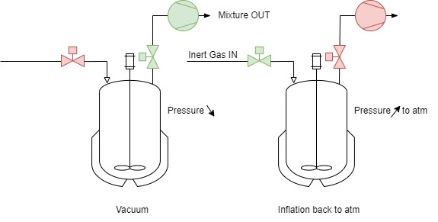
 | Evacuation-Replacement purging
 | Vacuum pressure | 0.4 | atm abs
 | Number of inflation cycles required | 2.12
 | Rounded number of vacuum cycles | 3
 | Minimum number of vessel volumes required | 1.8 | '-
 | Minmum volume of gas | 7.2 | m3

 | If you spot a mistake or wish to suggest an improvement, please contact admin@powderprocess.net

 | Copyright www.PowderProcess.net

 | The content of PowderProcess.net is copyrighted but no warranty nor liability is ensured. The content of this site is to be seen as a help and important information and calculation must always be double checked by the user through the quality procedure of his organization or by checking another source. The user must always respect all applicable regulation. The use of the information is at the user and its organization own risk and own cost.

FOR EDUCATIONAL PURPOSE ONLY – DO NOT USE THIS METHOD FOR DETAIL DESIGN – ALWAYS CONSULT A REPUTABLE SUPPLIER FOR DETAIL DESIGN

